Bugs
Bug_ID | Pre Requisites | Steps To Reproduce | Expected Result | Actual Result | Enviournment URL | Priority | Screenshots
GaragePlug_Bug_01 | Application should be opened and user should be logged in successfully | 1. Click on More 2. Select the My customer section. 3. Click on Created Customer Section 4. Click on Appoinments in Details page 5. Click on Filter 6. Enter details/data | User should be able to view added or filtered appointments | Added or filtered appointments are not displayed in Appointments page. | https://app.garageplug.com | P0 (High) | 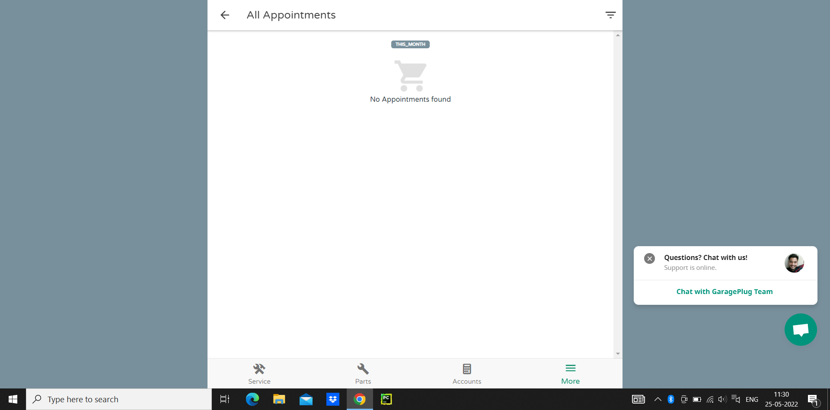
GaragePlug_Bug_02 | Application should be opened and user should be enter correct and valid mobile number in text Field | 1. Click on Click Here 2. Click on Enter Mobile Number 3. Enter correct and valid Mobile Number | User Shuold be able to enter mobile Number | User is able to access sign_in page and enter incorrect mobile number with space generate OTP | https://app.garageplug.com/#/signin-screen | P0 (High) | 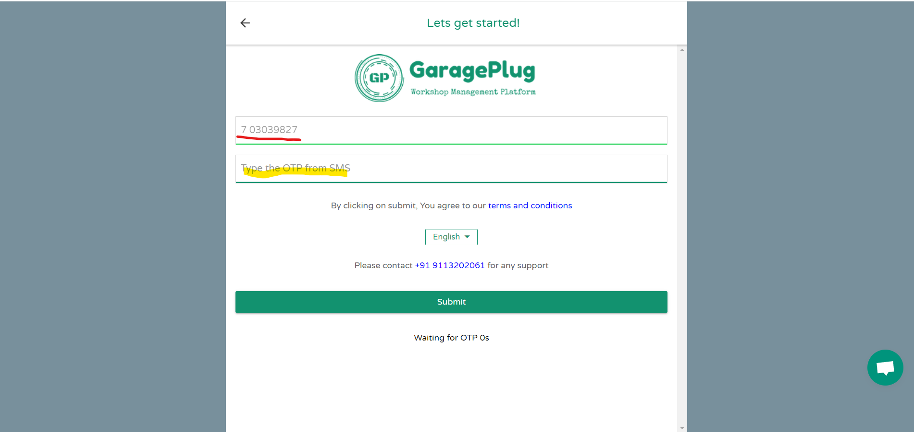
GaragePlug_Bug_03 | Application should be opened and user should register customer and added Note to Registered Customer,and Acivity Log to be displayed. | 1. Click on more 2. Click on My customer 3. Click on Registered Customer Name 4.Click on Serach by Name/Mobile No/Reg No 5 .Click on upper right side button 6. Click on Add Note 7. Entering details to Add Note 8. Click on Acion Log History | User Shuold be able to Add Note to customer and its Displayed note | User is able to access My Customer page and Activity Log not displayed with Note on the UI | https://app.garageplug.com/#/more/activitylog | P0 (High) | 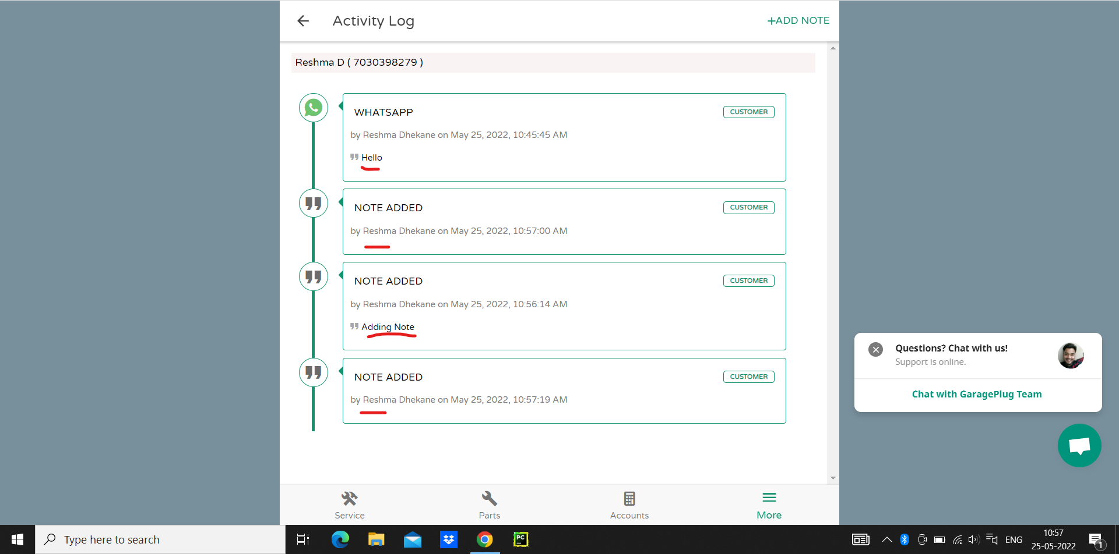
GaragePlug_Bug_04 | Application should be opened and user should be set reminder to registered customer and iit should be able to view Reminder. | 1. Click on More 2. Click on My Customer 3. Click on Serach by Name/Mobile No/Reg No 4. Select Name from List 5. Click On Reminder | User Should be able to view added Reminder | User is not able to view added reminder to Customer _Details page on to view add and update | https://app.garageplug.com/#/more/customer-details | P1 (Medium) | 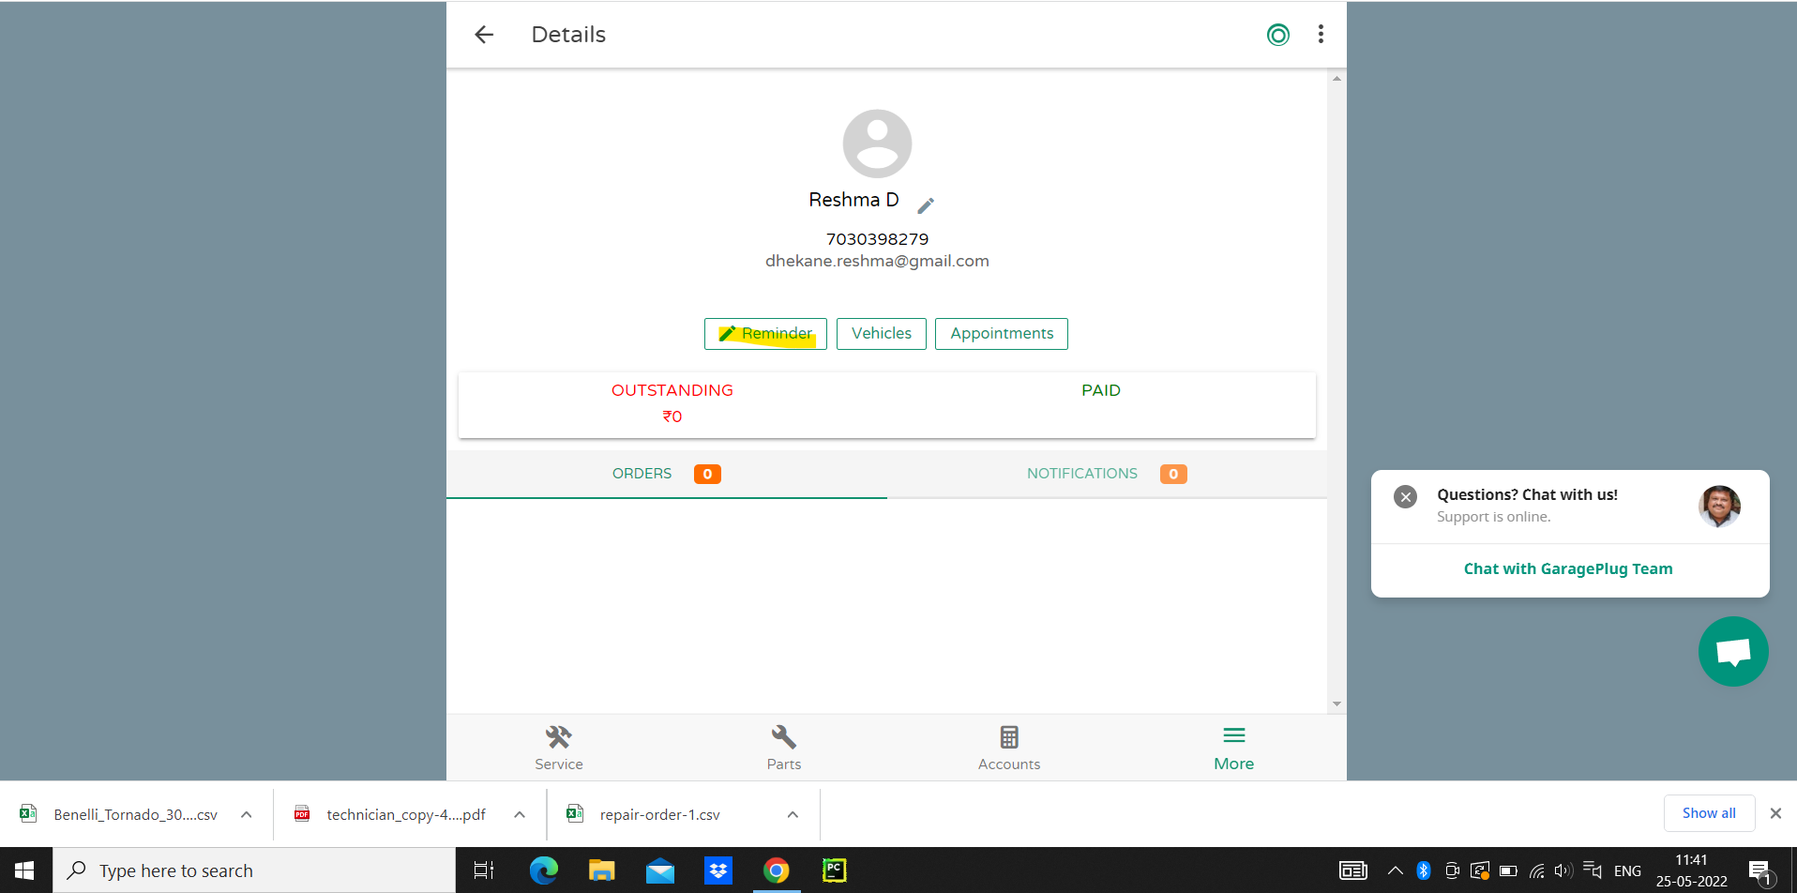
GaragePlug_Bug_05 | Application should be opened and user should register customer and added Note to Registered Customer,and Acivity Log to be displayed. | 1. Click on more 2. Click on My customer 3. Click on Registered Customer Name 4.Click on Serach by Name/Mobile No/Reg No 5 .Click on upper right side button 6. Click on Add Note 7. Entering details to Add Note 8. Select Name from list 9.Click on Action Log History | User Should be able to view Added Note to customer details | User is not able to view added Note to Customer Action Log History | https://app.garageplug.com/#/activitylog | P1 (Medium)
GaragePlug_Bug_06 | User should be register customer vehicle purchase date and insurance expiry date is greater than purchase date | 1. Click on More 2. Click on My Customer 3. Click on Serach by Name/Mobile No/Reg No 4. Select Name from List 5. Click On Vehicle | User is not able to view customer vehicle insurance expiry date less than vehicle purchase date | User is able to view and select customer vehicle insurance expiry date less than vehicle purchase date and it displayed with selected date | https://app.garageplug.com/#/customer-vehicles | P10 (High) | 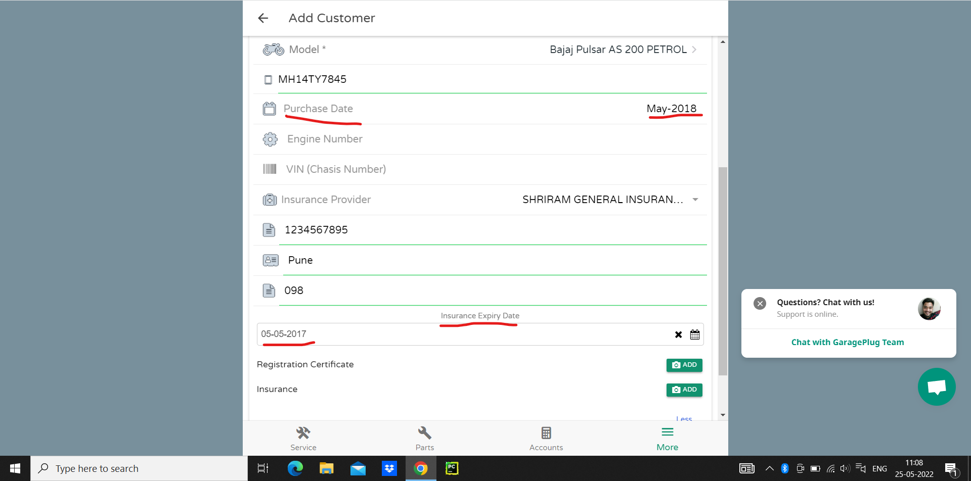
GaragePlug_Bug_07 | User should be able to view New Registered Customer to UI page with auto reloaded | 1. Click on More 2. Click on My Customer 3. Click on +Customer 4. Enter valid detailes displayed on "Add Customer" Page 5. Click On Create_Customer button 6. Click on "My Customer" | User should be able to view New Registered Customer to UI page with auto reloaded on My Customer page | User is not able to view New Registered Customer to UI page with auto reloaded on My Customer UI Page | https://app.garageplug.com/#/customer | P10 (High) | 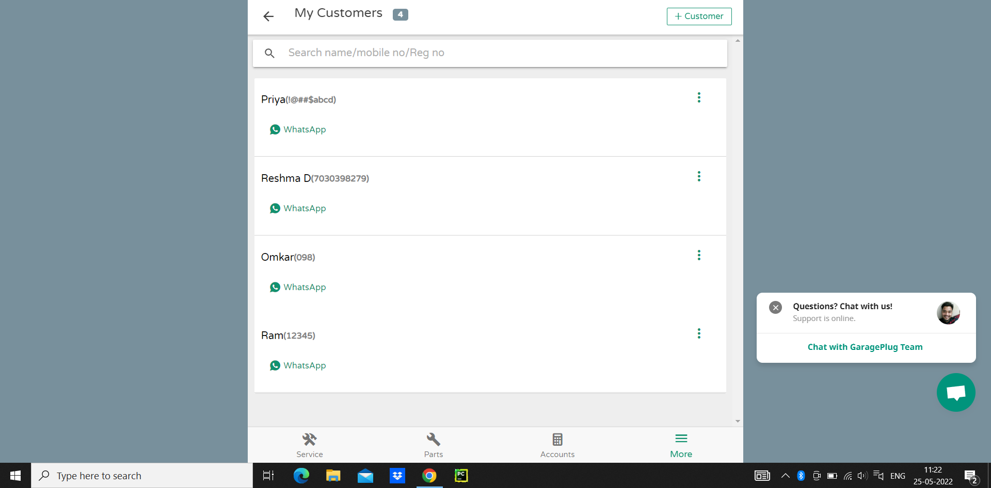
GaragePlug_Bug_08 | User should be navigate back from browser and user shouble be able to get message to LogOut directly navigate to Google page | 1. Click on More 2. Click on My Customer 3. Click on Search by Name/Mobile?Reg No 4. Click on Browser back button 5. Again Click on Browser back button | User should be able to view Home page to navigate back from browser button and user should be able to Logout again navigate back from browser | User is not able Navigate back from browser and it Naviage to google page without Logout | https://app.garageplug.com/ | P10 (High) | 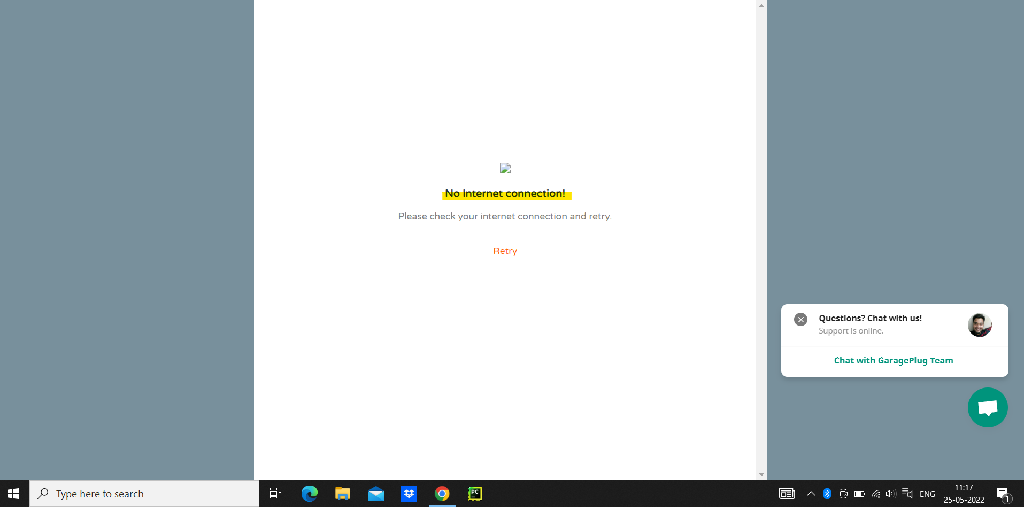
GaragePlug_Bug_09 | User should be able to add Customer and user should be able to search by letter is displayed all names related to search by letter | 1. Click on More 2. Click on My Customer 3. Click on +Customer 4. Enter valid detailes displayed on "Add Customer" Page 5. Click On Create_Customer button 6. Click on "My Customer" 7. Click on "Search Name/Mobile No/Reg No" 8. Type single character letter | User should be able to view New Registered Customer to UI page with auto reloaded search by letter | User is not able to view New Registered Customer to UI page with search by letter | https://app.garageplug.com/#/more/customer | P10 (High) | 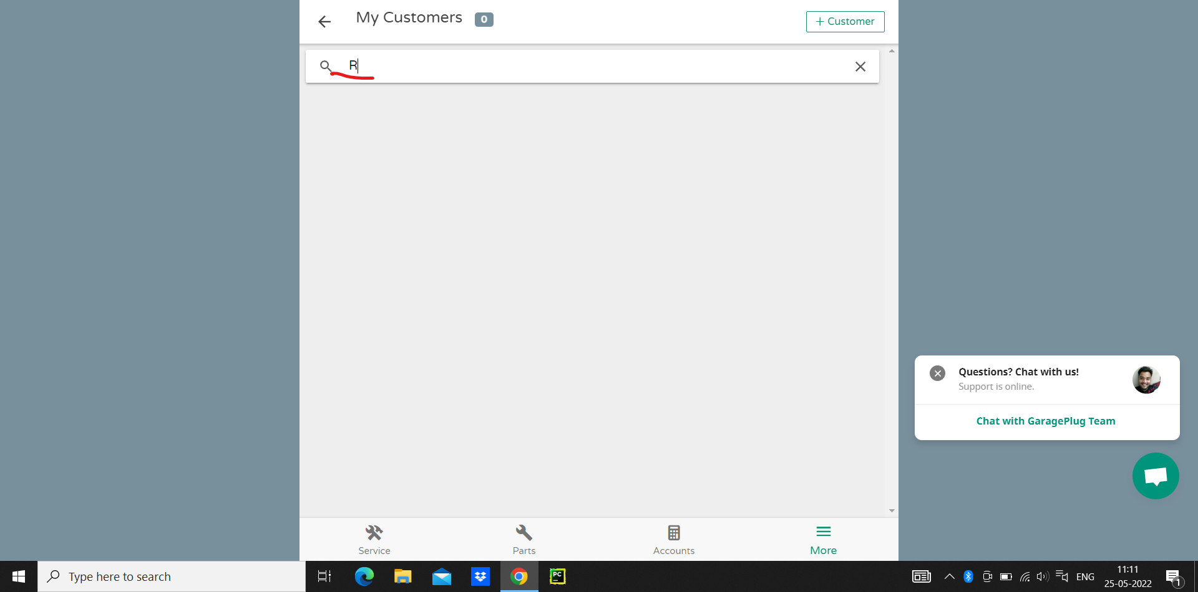
GaragePlug_Bug_10 | User should be able to add Customer and user should be able to search by letter is displayed all names related to search by letter | 1. Click on More 2. Click on My Customer 3. Click on +Customer 4. Enter valid detailes displayed on "Add Customer" Page 5. Click On Create_Customer button 6. Click on "My Customer" 7. Click on "Search Name/Mobile No/Reg No" 8. Enter single character letter to these field | User should be able to view New Registered Customer to UI page with auto reloaded search by Name | User is not able to view New Registered Customer to UI page with search by Name | https://app.garageplug.com/#/more/customer | P10 (High) | 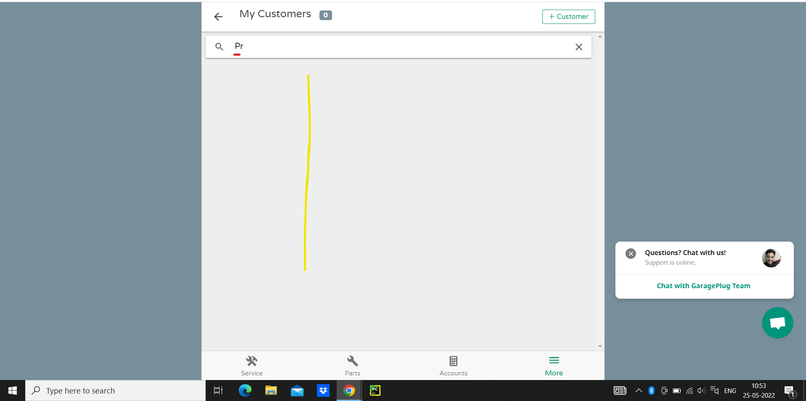
GaragePlug_Bug_11 | User should be able to add Customer and user should be able to search by Vehicle Reg. No, and it shouble be displyed on UI page | 1. Click on More 2. Click on My Customer 3. Click on +Customer 4. Enter valid detailes displayed on "Add Customer" Page 5. Click On Create_Customer button 6. Click on "My Customer" 7. Click on "Search Name/Mobile No/Reg No" 8. Enter Vehicle Reg No on these field. | User should be able to view Registered Customer to UI page with auto reloaded search by Vehicle Reg No. | User is not able to view Registered Customer to UI page with search by Vehicle Reg. No. | https://app.garageplug.com/#/more/customer | P10 (High) | 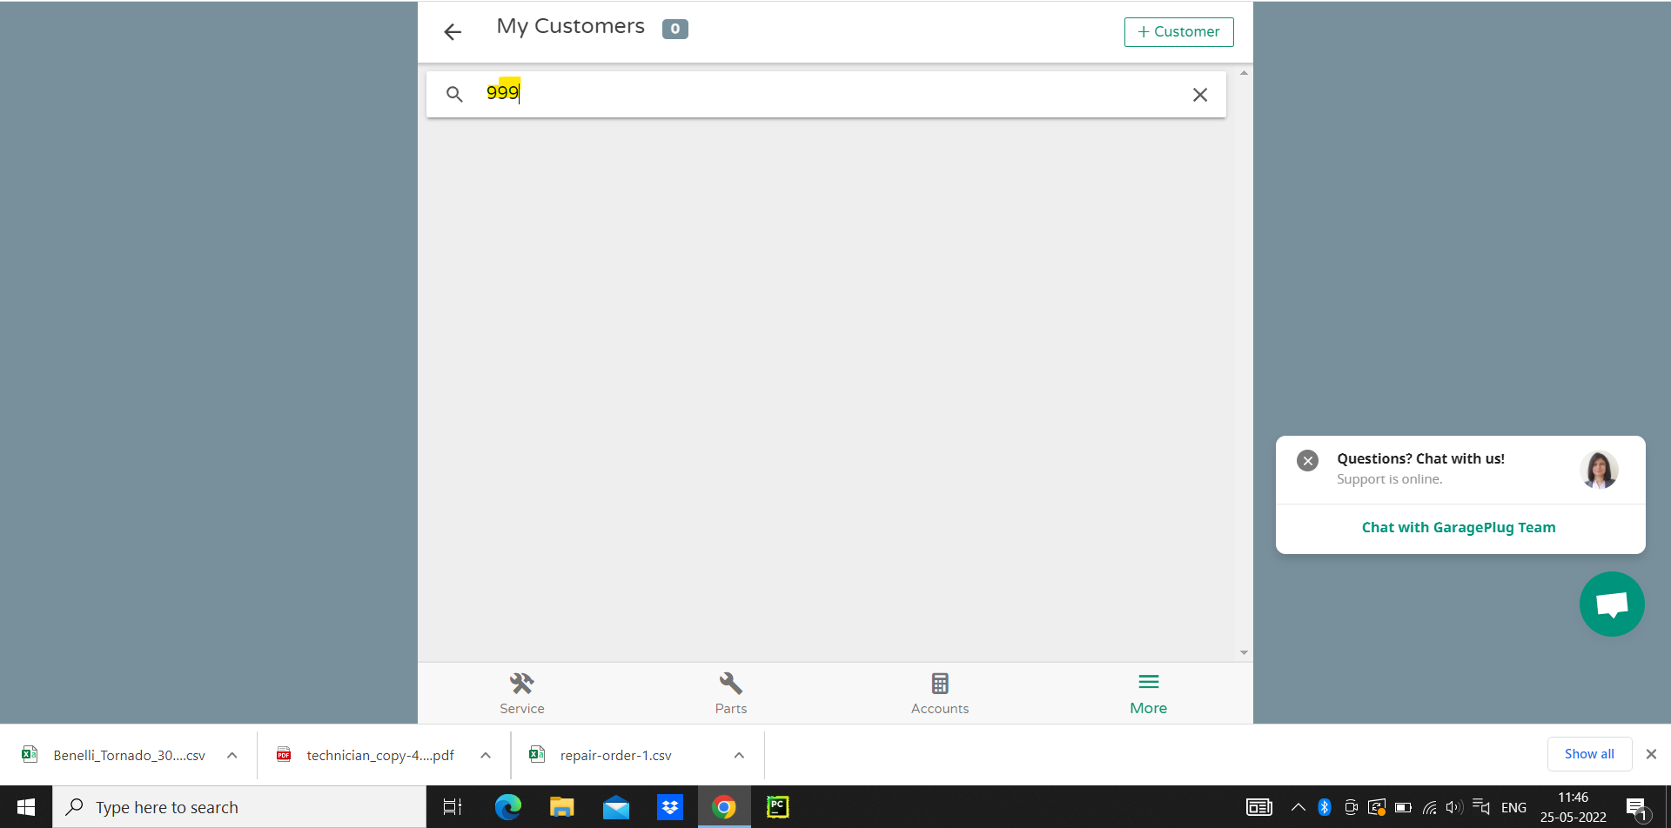
GaragePlug_Bug_12 | User is able to register an account by providing by invalid mobile number | 1. Click on More 2. Click on My Customer 3. Click on +Customer 4. Enter valid detailes displayed on "Add Customer" Page 5. Enter invalid mobile number say !@#asd into "Mobile No" field 6.Click On Create_Customer button | warning message should be displyed informing the user about the invalid mobile no. | warning message is not be displyed informing the user about the invalid mobile no. while writting mobile number | https://app.garageplug.com/#/more/add-customer | P10 (High) | 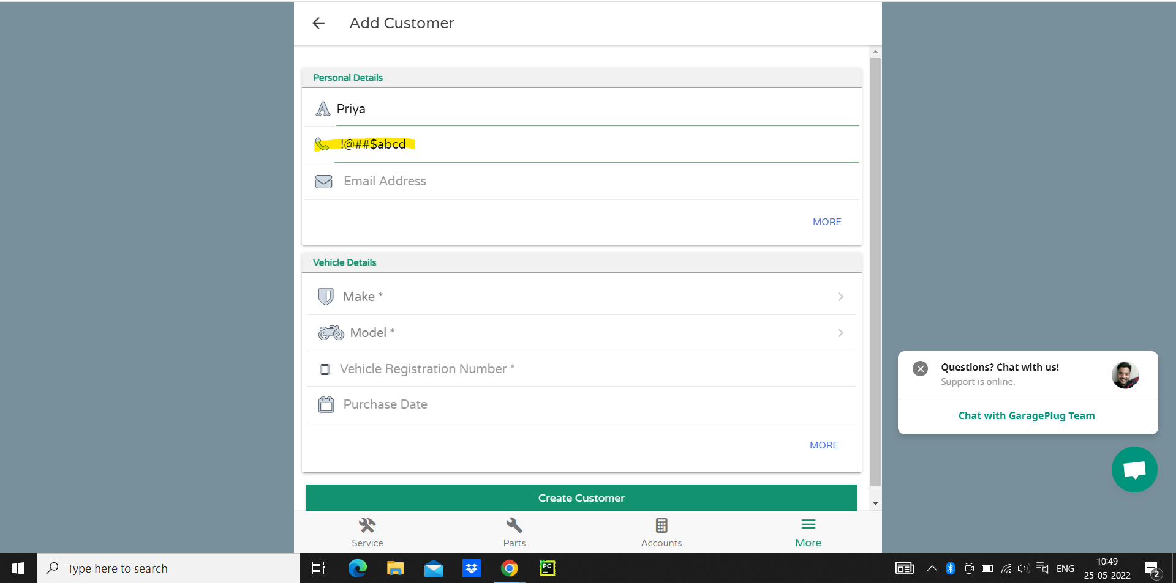
GaragePlug_Bug_13 | User is able to login into account by generating by same otp number on text message and on gmail account while singin page | 1. Open Application URL 2. Enter Valid Mobile Number Field "Enter Mobile number " 3. Click on Request otp field 4. Enter correct otp generated by mobile text msg or registered email id 5. Click on "Retry Now " 6. Enter otp into "Type OTP from SMS" field 7. Click on "Submit" button | User should not be able to receive same otp on SMS and Gmail account again and again by clicking Retry Now button | User is receiving same otp on SMS and Gmail account again and again by clicking Retry Now button | https://app.garageplug.com/#/signin-screen | P10 (High) | 